from DAPR
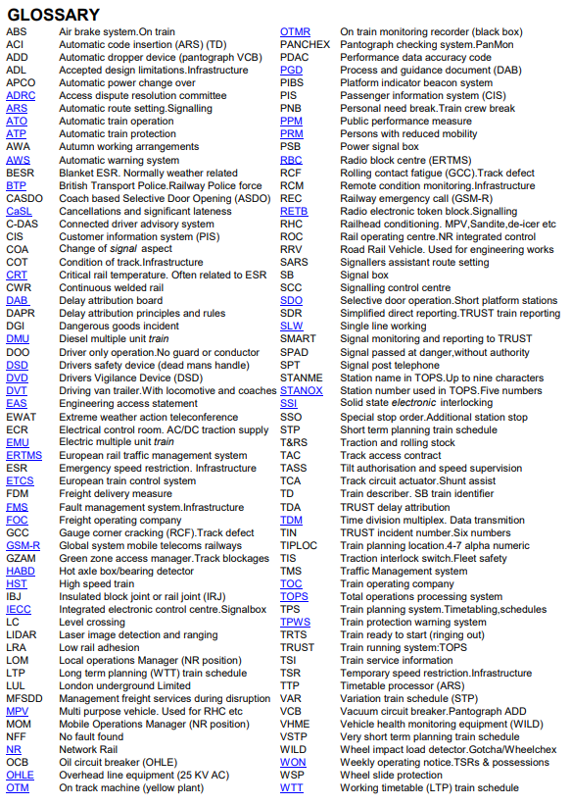

390 - Pendolino - Alstom
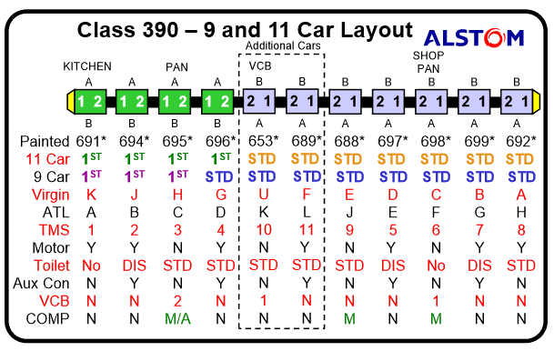
 |  | k | j | h | g-f | u | f | e | d | c | b | a
 | Set | 691 | 694 | 695 | 696 | 653 | 689 | 688 | 697 | 698 | 699 | 692
9-Car | 390001 | 69101 | 69401 | 69501 | 69601 |  |  | 68801 | 69701 | 69801 | 69901 | 69201
9-Car | 390002 | 69102 | 69402 | 69502 | 69602 |  |  | 68802 | 69702 | 69802 | 69902 | 69202
11-Car | 390103 | 69103 | 69403 | 69503 | 69603 | 65303 | 68903 | 68803 | 69703 | 69803 | 69903 | 69203
11-Car | 390104 | 69104 | 69404 | 69504 | 69604 | 65304 | 68904 | 68804 | 69704 | 69804 | 69904 | 69204
9-Car | 390005 | 69105 | 69405 | 69505 | 69605 |  |  | 68805 | 69705 | 69805 | 69905 | 69205
9-Car | 390006 | 69106 | 69406 | 69506 | 69606 |  |  | 68806 | 69706 | 69806 | 69906 | 69206
11-Car | 390107 | 69107 | 69407 | 69507 | 69607 | 65307 | 68907 | 68807 | 69707 | 69807 | 69907 | 69207
9-Car | 390008 | 69108 | 69408 | 69508 | 69608 |  |  | 68808 | 69708 | 69808 | 69908 | 69208
9-Car | 390009 | 69109 | 69409 | 69509 | 69609 |  |  | 68809 | 69709 | 69809 | 69909 | 69209
9-Car | 390010 | 69110 | 69410 | 69510 | 69610 |  |  | 68810 | 69710 | 69810 | 69910 | 69210
9-Car | 390011 | 69111 | 69411 | 69511 | 69611 |  |  | 68811 | 69711 | 69811 | 69911 | 69211
11-Car | 390112 | 69112 | 69412 | 69512 | 69612 | 65312 | 68912 | 68812 | 69712 | 69812 | 69912 | 69212
9-Car | 390013 | 69113 | 69413 | 69513 | 69613 |  |  | 68813 | 69713 | 69813 | 69913 | 69213
11-Car | 390114 | 69114 | 69414 | 69514 | 69614 | 65314 | 68914 | 68814 | 69714 | 69814 | 69914 | 69214
11-Car | 390115 | 69115 | 69415 | 69515 | 69615 | 65315 | 68915 | 68815 | 69715 | 69815 | 69915 | 69215
9-Car | 390016 | 69116 | 69416 | 69516 | 69616 |  |  | 68816 | 69716 | 69816 | 69916 | 69216
11-Car | 390117 | 69117 | 69417 | 69517 | 69617 | 65317 | 68917 | 68817 | 69717 | 69817 | 69917 | 69217
11-Car | 390118 | 69118 | 69418 | 69518 | 69618 | 65318 | 68918 | 68818 | 69718 | 69818 | 69918 | 69218
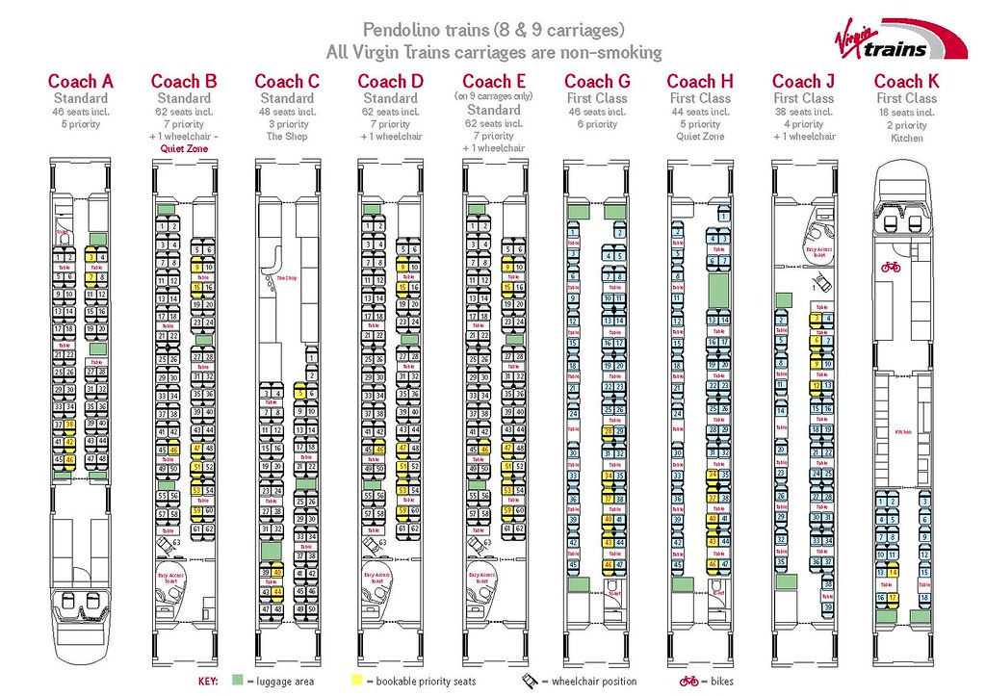
11-Car | 390119 | 69119 | 69419 | 69519 | 69619 | 65319 | 68919 | 68819 | 69719 | 69819 | 69919 | 69219
9-Car | 390020 | 69120 | 69420 | 69520 | 69620 |  |  | 68820 | 69720 | 69820 | 69920 | 69220
11-Car | 390121 | 69121 | 69421 | 69521 | 69621 | 65321 | 68921 | 68821 | 69721 | 69821 | 69921 | 69221
11-Car | 390122 | 69122 | 69422 | 69522 | 69622 | 65322 | 68922 | 68822 | 69722 | 69822 | 69922 | 69222
11-Car | 390123 | 69123 | 69423 | 69523 | 69623 | 65323 | 68923 | 68823 | 69723 | 69823 | 69923 | 69223
11-Car | 390124 | 69124 | 69424 | 69524 | 69624 | 65324 | 68924 | 68824 | 69724 | 69824 | 69924 | 69224
11-Car | 390125 | 69125 | 69425 | 69525 | 69625 | 65325 | 68925 | 68825 | 69725 | 69825 | 69925 | 69225
11-Car | 390126 | 69126 | 69426 | 69526 | 69626 | 65326 | 68926 | 68826 | 69726 | 69826 | 69926 | 69226
11-Car | 390127 | 69127 | 69427 | 69527 | 69627 | 65327 | 68927 | 68827 | 69727 | 69827 | 69927 | 69227
11-Car | 390128 | 69128 | 69428 | 69528 | 69628 | 65328 | 68928 | 68828 | 69728 | 69828 | 69928 | 69228
11-Car | 390129 | 69129 | 69429 | 69529 | 69629 | 65329 | 68929 | 68829 | 69729 | 69829 | 69929 | 69229
11-Car | 390130 | 69130 | 69430 | 69530 | 69630 | 65330 | 68930 | 68830 | 69730 | 69830 | 69930 | 69230
11-Car | 390131 | 69131 | 69431 | 69531 | 69631 | 65331 | 68931 | 68831 | 69731 | 69831 | 69931 | 69231
11-Car | 390132 | 69132 | 69432 | 69532 | 69632 | 65332 | 68932 | 68832 | 69732 | 69832 | 69932 | 69232
11-Car | 390134 | 69134 | 69434 | 69534 | 69634 | 65334 | 68934 | 68834 | 69734 | 69834 | 69934 | 69234
11-Car | 390135 | 69135 | 69435 | 69535 | 69635 | 65335 | 68935 | 68835 | 69735 | 69835 | 69935 | 69235
11-Car | 390136 | 69136 | 69436 | 69536 | 69636 | 65336 | 68936 | 68836 | 69736 | 69836 | 69936 | 69236
11-Car | 390137 | 69137 | 69437 | 69537 | 69637 | 65337 | 68937 | 68837 | 69737 | 69837 | 69937 | 69237
11-Car | 390138 | 69138 | 69438 | 69538 | 69638 | 65338 | 68938 | 68838 | 69738 | 69838 | 69938 | 69238
9-Car | 390039 | 69139 | 69439 | 69539 | 69639 |  |  | 68839 | 69739 | 69839 | 69939 | 69239
9-Car | 390040 | 69140 | 69440 | 69540 | 69640 |  |  | 68840 | 69740 | 69840 | 69940 | 69240
11-Car | 390141 | 69141 | 69441 | 69541 | 69641 | 65341 | 68941 | 68841 | 69741 | 69841 | 69941 | 69241
9-Car | 390042 | 69142 | 69442 | 69542 | 69642 |  |  | 68842 | 69742 | 69842 | 69942 | 69242
9-Car | 390043 | 69143 | 69443 | 69543 | 69643 |  |  | 68843 | 69743 | 69843 | 69943 | 69243
9-Car | 390044 | 69144 | 69444 | 69544 | 69644 |  |  | 68844 | 69744 | 69844 | 69944 | 69244
9-Car | 390045 | 69145 | 69445 | 69545 | 69645 |  |  | 68845 | 69745 | 69845 | 69945 | 69245
9-Car | 390046 | 69146 | 69446 | 69546 | 69646 |  |  | 68846 | 69746 | 69846 | 69946 | 69246
9-Car | 390047 | 69147 | 69447 | 69547 | 69647 |  |  | 68847 | 69747 | 69847 | 69947 | 69247
11-Car | 390148 | 69148 | 69448 | 69548 | 69648 | 65348 | 68948 | 68848 | 69748 | 69848 | 69948 | 69248
9-Car | 390049 | 69149 | 69449 | 69549 | 69649 |  |  | 68849 | 69749 | 69849 | 69949 | 69249
9-Car | 390050 | 69150 | 69450 | 69550 | 69650 |  |  | 68850 | 69750 | 69850 | 69950 | 69250
11-Car | 390151 | 69151 | 69451 | 69551 | 69651 | 65351 | 68951 | 68851 | 69751 | 69851 | 69951 | 69251
11-Car | 390152 | 69152 | 69452 | 69552 | 69652 | 65352 | 68952 | 68852 | 69752 | 69852 | 69952 | 69252
11-Car | 390153 | 69153 | 69453 | 69553 | 69653 | 65353 | 68953 | 68853 | 69753 | 69853 | 69953 | 69253
11-Car | 390154 | 69154 | 69454 | 69554 | 69654 | 65354 | 68954 | 68854 | 69754 | 69854 | 69954 | 69254
11-Car | 390155 | 69155 | 69455 | 69555 | 69655 | 65355 | 68955 | 68855 | 69755 | 69855 | 69955 | 69255
11-Car | 390156 | 69156 | 69456 | 69556 | 69656 | 65356 | 68956 | 68856 | 69756 | 69856 | 69956 | 69256
11-Car | 390157 | 69157 | 69457 | 69557 | 69657 | 65357 | 68957 | 68857 | 69757 | 69857 | 69957 | 69257

221 - Voyager - Bombardier
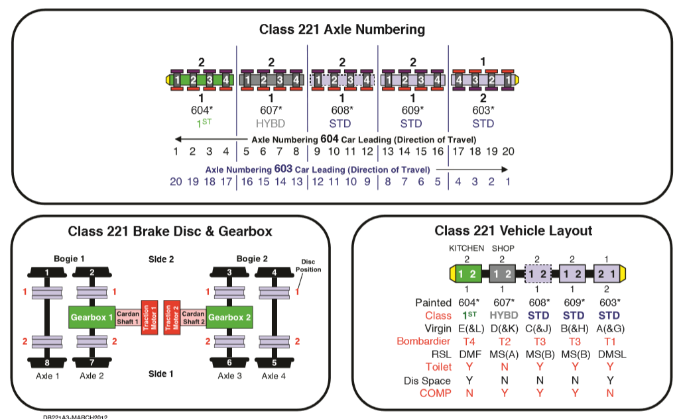
Set number | Vehicle number
221101 | 60451 | 60351 | 60751 | 60851 | 60951
221102 | 60452 | 60352 | 60752 | 60852 | 60952
221103 | 60453 | 60353 | 60753 | 60853 | 60953
221104 | 60454 | 60354 | 60754 | 60854 | 60954
221105 | 60455 | 60355 | 60755 | 60855 | 60955
221106 | 60456 | 60356 | 60756 | 60856 | 60956
221107 | 60457 | 60357 | 60757 | 60857 | 60957
221108 | 60458 | 60358 | 60758 | 60858 | 60958
221109 | 60459 | 60359 | 60759 | 60859 | 60959
221110 | 60460 | 60360 | 60760 | 60860 | 60960
221111 | 60461 | 60361 | 60761 | 60861 | 60961
221112 | 60462 | 60362 | 60762 | 60862 | 60962
221113 | 60463 | 60363 | 60763 | 60863 | 60963
221114 | 60464 | 60364 | 60764 | 60864 | 60964
221115 | 60465 | 60365 | 60765 | 60865 | 60965
221116 | 60466 | 60366 | 60766 | 60866 | 60966
221117 | 60467 | 60367 | 60767 | 60867 | 60967
221118 | 60468 | 60368 | 60768 | 60868 | 60968
221142 | 60492 | 60392 | 60792 | 60892 | 60992
221143 | 60460 | 60360 | 60760 | 60860 | 60960

